Citing Sources
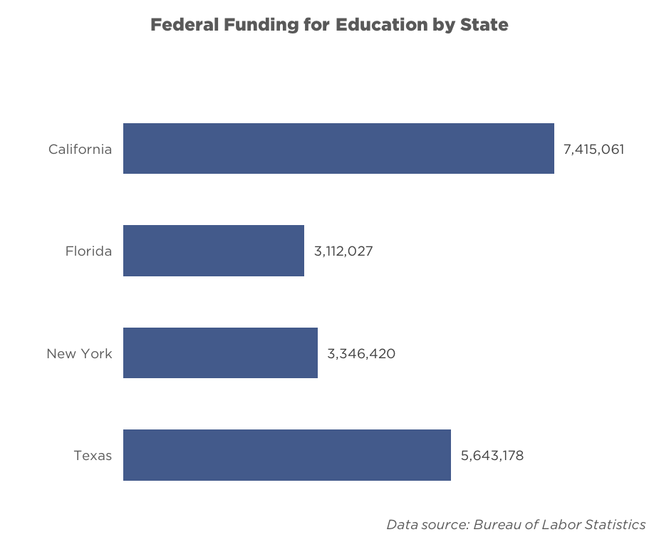

Citing your data sources
At the bottom of every graph, there's a space that says "Data source: Bureau of Labor Statistics"
You should replace "Bureau of Labor Statistics" with the source for your data!
For example, if you got data from the U.S. Census Bureau, your graph should say "Data source: U.S. Census Bureau"

Formatting your data source
Font: | Gotham Book Italic | 9 pt
Make sure this fits on one line. If it doesn't, make the text box bigger by dragging the left edge of the text box outwards
Your graph should look like this: |  |  | Not this (the data source is on 2 lines, and is cut off):

Horizontal Bar
State | 52,882,083 | US:
Federal Funding for Education by State
California | 7,415,061
Florida | 3,112,027
New York | 3,346,420
Texas | 5,643,178
Alabama | 794,090
Alaska | 309,525
Arizona | 1,102,980
Arkansas | 552,738
California | 7,415,061

Colorado | 681,230
Connecticut | 420,593
Delaware | 133,055
District of Columbia | 134,959
Florida | 3,112,027

Georgia | 1,804,212
Hawaii | 286,988
Idaho | 232,593
Illinois. | 2,301,827
Indiana | 933,891

Iowa | 455,586
Kansas. | 402,250
Kentucky | 825,742
Louisiana | 1,272,004
Maine | 182,961
 |  | World:
Federal Funding for Education by State
California | 7,415,061
Florida | 3,112,027
New York | 3,346,420
Texas | 5,643,178
Maryland | 816,033
Massachusetts | 791,029
Michigan | 1,563,397
Minnesota | 630,445
Mississippi | 664,697

Missouri | 895,743
Montana | 201,528
Nebraska | 318,176
Nevada | 381,596
New Hampshire | 161,392

New Jersey | 1,141,887
New Mexico | 466,320
New York | 3,346,420
North Carolina | 1,529,624
North Dakota | 155,894

Ohio | 1,692,769
Oklahoma | 690,122
Oregon | 521,463
Pennsylvania | 1,812,609
Rhode Island | 186,551

Federal Funding for Education by State
California | 7,415,061
Florida | 3,112,027
New York | 3,346,420
Texas | 5,643,178
South Carolina | 812,536 | Campus
South Dakota | 186,216
Tennessee | 1,095,377
Texas | 5,643,178
Utah | 385,210

Vermont | 102,434
Virginia | 1,009,659
Washington | 1,030,232
West Virginia | 351,957
Wisconsin | 830,568
Wyoming | 112,709

 |  | Covers
Federal Funding for Education by State
California | 7,415,061
Florida | 3,112,027
New York | 3,346,420
Texas | 5,643,178

 |  | Culture
Federal Funding for Education by State
California | 7,415,061
Florida | 3,112,027
New York | 3,346,420
Texas | 5,643,178

 |  | Interview
Federal Funding for Education by State
California | 7,415,061
Florida | 3,112,027
New York | 3,346,420
Texas | 5,643,178

 |  | Multimedia
Federal Funding for Education by State
California | 7,415,061
Florida | 3,112,027
New York | 3,346,420
Texas | 5,643,178

Vertical Bar
State | Funding
Wyoming | 112,709
Vermont | 102,434
North Dakota | 155,894
Alaska | 309,525

 |  | US:
Federal Funding for Education by State

 |  | World:

Federal Funding for Education by State

 |  | Campus:
Federal Funding for Education by State

 |  | Covers

Federal Funding for Education by State

 |  | Culture

Federal Funding for Education by State

 |  | Interview

Federal Funding for Education by State

 |  | Multimedia

Federal Funding for Education by State

Opposing Bar
The Dataset:

 | For | Against
All | -30 | 70
Men | -20 | 80
Women | -40 | 60

US:
Percent For or Against Something

Percent For or Against Something
World:

Campus

Percent For or Against Something

Percent For or Against Something
Covers

Percent For or Against Something
Culture

Interview
Percent For or Against Something

Multimedia

Percent For or Against Something

Line Chart
Insert data here, scroll down for generated graphs
Each trendline | X axis labels, then data below
Year | 1990 | 1991 | 1992 | 1993 | 1994 | 1995 | 1996 | 1997 | 1998 | 1999 | 2000 | 2001 | 2002 | 2003 | 2004 | 2005 | 2006 | 2007 | 2008 | 2009 | 2010 | 2011 | 2012 | 2013 | 2014 | 2015 | 2016 | 2017 | 2018
Cambridge | 32798.833333 | 34385.083333 | 35971.333333 | 37557.583333 | 39143.833333 | 40730.083333 | 42316.333333 | 43902.583333 | 45488.833333 | 47075.083333 | 48661.333333 | 50247.583333 | 51833.833333 | 53420.083333 | 55006.333333 | 56592.583333 | 58178.833333 | 59765.083333 | 61351.333333 | 62937.583333 | 64523.833333 | 66110.083333 | 67696.333333 | 69282.583333 | 70868.833333 | 72455.083333 | 74041.333333 | 75627.583333 | 77213.833333
Boston | 14205.166667 | 16376.516667 | 18547.866667 | 20719.216667 | 22890.566667 | 25061.916667 | 27233.266667 | 29404.616667 | 31575.966667 | 33747.316667 | 35918.666667 | 38090.016667 | 40261.366667 | 42432.716667 | 44604.066667 | 46775.416667 | 48946.766667 | 51118.116667 | 53289.466667 | 55460.816667 | 57632.166667 | 59803.516667 | 61974.866667 | 64146.216667 | 66317.566667 | 68488.916667 | 70660.266667 | 72831.616667 | 75002.966667

US Graph
The Correlation Between Endowment (Billions of Dollars) and Black Population

World Graph
Change in Per Pupil Spending from 2009 to 2013
 | Cambridge | Boston
1990 | 32798.833333 | 14205.166667
1991 | 34385.083333 | 16376.516667
1992 | 35971.333333 | 18547.866667
1993 | 37557.583333 | 20719.216667
1994 | 39143.833333 | 22890.566667

Campus Graph
The Change in Rent Prices in Cambridge and Boston Since 1997

Covers Graph
Change in Per Pupil Spending from 2009 to 2013
 | Cambridge | Boston
1990 | 32798.833333 | 14205.166667
1991 | 34385.083333 | 16376.516667
1992 | 35971.333333 | 18547.866667
1993 | 37557.583333 | 20719.216667
1994 | 39143.833333 | 22890.566667

Culture Graph
The Change in Population Demographics for Cambridge Since 1990
 | Cambridge | Boston
1990 | 32798.833333 | 14205.166667
1991 | 34385.083333 | 16376.516667
1992 | 35971.333333 | 18547.866667
1993 | 37557.583333 | 20719.216667
1994 | 39143.833333 | 22890.566667
1995 | 40730.083333 | 25061.916667
1996 | 42316.333333 | 27233.266667
1997 | 43902.583333 | 29404.616667
1998 | 45488.833333 | 31575.966667
1999 | 47075.083333 | 33747.316667
2000 | 48661.333333 | 35918.666667
2001 | 50247.583333 | 38090.016667
2002 | 51833.833333 | 40261.366667
2003 | 53420.083333 | 42432.716667
2004 | 55006.333333 | 44604.066667
2005 | 56592.583333 | 46775.416667
2006 | 58178.833333 | 48946.766667
2007 | 59765.083333 | 51118.116667
2008 | 61351.333333 | 53289.466667
2009 | 62937.583333 | 55460.816667
2010 | 64523.833333 | 57632.166667
2011 | 66110.083333 | 59803.516667
2012 | 67696.333333 | 61974.866667
2013 | 69282.583333 | 64146.216667
2014 | 70868.833333 | 66317.566667
2015 | 72455.083333 | 68488.916667
2016 | 74041.333333 | 70660.266667
2017 | 75627.583333 | 72831.616667
2018 | 77213.833333 | 75002.966667

Interviews Graph
Change in Per Pupil Spending from 2009 to 2013
 | Cambridge | Boston
1990 | 32798.833333 | 14205.166667
1991 | 34385.083333 | 16376.516667
1992 | 35971.333333 | 18547.866667
1993 | 37557.583333 | 20719.216667
1994 | 39143.833333 | 22890.566667

Media Graph
Change in Per Pupil Spending from 2009 to 2013
 | Cambridge | Boston
Year | 32798.833333 | 14205.166667
1990 | 34385.083333 | 16376.516667
1991 | 35971.333333 | 18547.866667
1992 | 37557.583333 | 20719.216667
1993 | 39143.833333 | 22890.566667
1994

Scatterplot
Impact of Race On Funding Percentage
State | Percent White | Percent Black | Percent Hispanic
Alabama | 58.11 | 34.18 | 4.66 | US:
Alaska | 50.85 | 3.61 | 6.21
Arizona | 42.12 | 5.37 | 42.82
Arkansas | 64.35 | 21.20 | 10.25
California | 26.04 | 6.51 | 52.13
Colorado | 56.11 | 4.79 | 31.90
Connecticut | 60.87 | 13.01 | 19.51
Delaware | 49.54 | 31.64 | 13.06
District of columbia | 7.70 | 76.42 | 13.14
Florida | 42.42 | 22.95 | 28.59
Georgia | 44.11 | 37.01 | 12.18
Hawaii | 14.27 | 2.40 | 6.44
Idaho | 78.04 | 1.02 | 16.25
Illinois | 50.82 | 18.05 | 23.70
Indiana | 72.46 | 12.20 | 8.96
Iowa | 80.69 | 5.10 | 8.91
Kansas | 67.38 | 7.32 | 17.17
Kentucky | 81.15 | 10.76 | 4.32
Louisiana | 47.45 | 45.06 | 4.02
Maine | 91.79 | 2.96 | 1.63
Maryland | 42.48 | 35.36 | 12.13
Massachusetts | 67.04 | 8.29 | 16.08 | World:
Impact of Race On Funding Percentage
Michigan | 69.18 | 18.82 | 6.20
Minnesota | 73.00 | 9.20 | 7.39
Mississippi | 46.01 | 49.62 | 2.57
Missouri | 74.22 | 16.77 | 4.86
Montana | 80.92 | 1.01 | 3.69
Nebraska | 70.17 | 6.72 | 16.40
Nevada | 37.45 | 9.63 | 39.61
New Hampshire | 89.11 | 1.93 | 3.87
New Jersey | 51.12 | 16.24 | 22.49
New Mexico | 25.91 | 2.02 | 59.45
New York | 48.23 | 18.49 | 23.33
North Carolina | 52.40 | 26.36 | 13.50
North Dakota | 83.20 | 2.61 | 2.85
Ohio | 73.72 | 16.21 | 3.80
Oklahoma | 53.67 | 9.78 | 13.14
Oregon | 65.34 | 2.53 | 21.08
Pennsylvania | 70.63 | 15.33 | 8.67
Rhode Island | 63.98 | 8.12 | 21.57
South Carolina | 53.21 | 35.64 | 6.69
South Dakota | 78.44 | 2.65 | 3.90
Tennessee | 67.08 | 23.34 | 6.63
Texas | 30.55 | 12.81 | 50.83 | Campus:
Impact of Race On Funding Percentage
Utah | 77.47 | 1.33 | 15.32
Vermont | 92.46 | 1.93 | 1.40
Virginia | 53.53 | 23.76 | 11.87
Washington | 60.25 | 4.56 | 19.61
West Virginia | 91.72 | 5.04 | 1.19
Wisconsin | 73.72 | 9.81 | 9.71
Wyoming | 80.49 | 1.09 | 12.57

 |  |  |  | Covers

Impact of Race On Funding Percentage

 |  |  |  | Culture

Impact of Race On Funding Percentage

 |  |  |  | Interviews:

Impact of Race On Funding Percentage

 |  |  |  | Multimedia
Impact of Race On Funding Percentage

Pie Chart
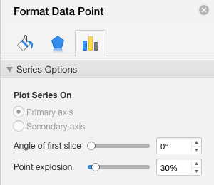
Insert data here, scroll down for generated graphs
Pie section | Percentage | To break out a section, double click on that section, then set point explosion to 30%. An example for US is shown below
Race | % of Students
Harvard | 0.28%
Boston | 99.72%

US Graph
 | % of Students
Harvard | 0.28%
Boston | 99.72%
Race of MA Public School Students
 | % of Students
Harvard | 0.28%
Boston | 99.72%

World Graph
Race of MA Public School Students
 | % of Students
Harvard | 0.28%
Boston | 99.72%

Campus Graph
 | % of Students
Harvard | 0.28%
Boston | 99.72%

Covers Graph
Race of MA Public School Students
 | % of Students
Harvard | 0.28%
Boston | 99.72%

Culture Graph
Race of MA Public School Students
 | % of Students
Harvard | 0.28%
Boston | 99.72%

Interviews Graph
Race of MA Public School Students
 | % of Students
Harvard | 0.28%
Boston | 99.72%

Media Graph
Race of MA Public School Students
 | % of Students
Harvard | 0.28%
Boston | 99.72%

